Hoja1
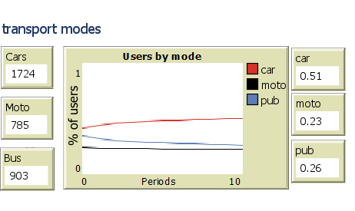
Description | Name | Value | Sec | Capacity | Ext-Sec | Ext-Comf | Ext-Cost | Ext-Acc | Ext-Cap
Speed Motorcycle | speed-m | 3.6 | 3.6 | 3.6 | 3.6 | 3.6 | 3.6 | 3.6 | 3.6 | 3.6
Speed Car | speed-c | 3.24 | 3.24 | 3.24 | 3.24 | 3.24 | 3.24 | 3.24 | 3.24 | 3.24
Speed Public transport | speed-p | 2.83 | 2.83 | 2.83 | 2.83 | 2.83 | 2.83 | 2.83 | 2.83 | 2.83
Score (relative price transformed) for motorcycles | cost-buy-mot | 0.8 | 0.8 | 0.8 | 0.8 | 0.8 | 0.8 | 0.8 | 0.8 | 0.8
Score (relative price transformed) for cars | cost-buy-car | 0.1 | 0.1 | 0.1 | 0.1 | 0.1 | 0.1 | 0.1 | 0.1 | 0.1
Score (relative price transformed) for public transport | cost-buy-pub | 1 | 1 | 1 | 1 | 1 | 1 | 1 | 1 | 1
Score (relative operating fix cost transformed) for moto | costf-op-mot | 0.5 | 0.5 | 0.5 | 0.5 | 0.5 | 0.3 | 0.5 | 0.5 | 0.1
Score (relative operating fix cost transformed) for car | costf-op-car | 0.2 | 0.2 | 0.2 | 0.2 | 0.2 | 0.1 | 0.2 | 0.2 | 0.1
Score (relative operating fix cost transformed) for public transport | costf-op-pub | 0.7 | 0.7 | 0.7 | 0.7 | 0.7 | 1 | 0.7 | 0.7 | 1
Comfort initial score motorcycles | comfort-m | 0.3 | 0.3 | 0.3 | 0.3 | 0 | 0.3 | 0.3 | 0.3 | 0.3
Comfort initial score car | comfort-c | 0.7 | 0.7 | 0.7 | 0.7 | 0 | 0.7 | 0.7 | 0.7 | 0.7
Comfort initial score public | comfort-p | 0.2 | 0.2 | 0.2 | 0.2 | 1 | 0.2 | 0.2 | 0.2 | 0.2
Gasoline price | gas-price | 3.7 | 3.7 | 3.7 | 3.7 | 3.7 | 3.7 | 3.7 | 3.7 | 3.7
Efficiency of moto (Km/gal) | eff-m | 110 | 110 | 110 | 110 | 110 | 110 | 110 | 110 | 110
Efficiency of car (Km/gal) | eff-c | 38 | 38 | 38 | 38 | 38 | 38 | 38 | 38 | 38
Emissions moto per Km | emi-mot | 126 | 126 | 126 | 126 | 126 | 126 | 126 | 126 | 126
Emissions car per Km | emi-car | 204 | 204 | 204 | 204 | 204 | 204 | 204 | 204 | 204
Emissions public (per person) per km | emi-pub | 60 | 60 | 60 | 60 | 60 | 60 | 60 | 60 | 60
Accident rate moto | acc-rate-mot | 0.4 | 0.4 | 0.4 | 0.4 | 0.4 | 0.4 | 1.00 | 0.4 | 0.4
Accident rate car | acc-rate-car | 0.06 | 0.06 | 0.06 | 0.06 | 0.06 | 0.06 | 1.00 | 0.06 | 0.06
Accident rate public | acc-rate-pub | 0.05 | 0.05 | 0.05 | 0.05 | 0.05 | 0.05 | 0.00 | 0.05 | 0.05
Perception of insecurity in moto | insecur-m | 0.06 | 0.08 | 0.06 | 1.00 | 0.06 | 0.06 | 0.06 | 0.06 | 0.9
Perception of insecurity in car | insecur-c | 0.04 | 0.04 | 0.04 | 1.00 | 0.04 | 0.04 | 0.04 | 0.04 | 0.9
Perception of insecurity in public | insecur-p | 0.08 | 0.20 | 0.08 | 0.00 | 0.08 | 0.08 | 0.08 | 0.08 | 0
Price increase moto | buy-increase-m | 0 | 0 | 0 | 0 | 0 | 0 | 0 | 0 | 0
Prince increase car | buy-increase-c | 0 | 0 | 0 | 0 | 0 | 0 | 0 | 0 | 0
Passengers capcity public system | capacity-public | 1200 | 1200 | 2000 | 1200 | 1200 | 1200 | 1200 | 5000 | 1200
Regular-speed-public | reg-speed-pub | 2.5 | 2.5 | 2.5 | 2.5 | 2.5 | 2.5 | 2.5 | 2.5 | 2.5
Default waiting time in the public system | default-wait-time | 6.6 | 6.6 | 3 | 6.6 | 6.6 | 6.6 | 6.6 | 0 | 6.6
Weight purchase low-income | p-buy | 74 | 74 | 74 | 0 | 0 | 74 | 0 | 74 | 74
Weight operation low-income | p-ope | 80 | 80 | 80 | 0 | 0 | 80 | 0 | 80 | 80
Weight safety low-income | p-saf | 60 | 60 | 60 | 0 | 0 | 60 | 100 | 60 | 60
Weight security low-income | p-sec | 66 | 66 | 66 | 100 | 0 | 66 | 0 | 66 | 66
Weight comfort low-income | p-com | 64 | 64 | 64 | 0 | 100 | 64 | 0 | 64 | 64
Weight time low-income | p-tim | 73 | 73 | 73 | 0 | 0 | 73 | 0 | 73 | 73
Weight pollution low-income | p-pol | 59 | 59 | 59 | 0 | 0 | 59 | 0 | 59 | 59
Weight purchase middle-income | p-buy2 | 72 | 72 | 72 | 0 | 0 | 72 | 0 | 72 | 72
Weight operation middle-income | p-ope2 | 72 | 72 | 72 | 0 | 0 | 72 | 0 | 72 | 72
Weight safety middle-income | p-saf2 | 24 | 24 | 24 | 0 | 0 | 24 | 100 | 24 | 24
Weight security middle-income | p-sec2 | 73 | 73 | 73 | 100 | 0 | 73 | 0 | 73 | 73
Weight comfort middle-income | p-com2 | 73 | 73 | 73 | 0 | 100 | 73 | 0 | 73 | 73
Weight time middle-income | p-tim2 | 79 | 79 | 79 | 0 | 0 | 79 | 0 | 79 | 79
Weight pollution middle-income | p-pol2 | 61 | 61 | 61 | 0 | 0 | 61 | 0 | 61 | 61
Weight purchase high-income | p-buy3 | 70 | 70 | 70 | 0 | 0 | 70 | 0 | 70 | 70
Weight operation high-income | p-ope3 | 68 | 68 | 68 | 0 | 0 | 68 | 0 | 68 | 68
Weight safety high-income | p-saf3 | 68 | 68 | 68 | 0 | 0 | 68 | 100 | 68 | 68
Weight security high-income | p-sec3 | 81 | 81 | 81 | 100 | 0 | 81 | 0 | 81 | 81
Weight comfort high-income | p-com3 | 82 | 82 | 82 | 0 | 100 | 82 | 0 | 82 | 82
Weight time high-income | p-tim3 | 83 | 83 | 83 | 0 | 0 | 83 | 0 | 83 | 83
Weight pollution high-income | p-pol3 | 62 | 62 | 62 | 0 | 0 | 62 | 0 | 62 | 62
alpha | alpha | 0.48 | 0.48 | 0.48 | 0.48 | 0.48 | 0.48 | 0.48 | 0.48 | 0.48
beta | beta | 0.64 | 0.64 | 0.64 | 0.64 | 0.64 | 0.64 | 0.64 | 0.64 | 0.64
Commitment | Commitment | 0.2 | 0 | 0 | 0 | 0 | 0.2 | 0 | 0 | 0
Probability for male-social-type-1-car | prob-m1c | 0.13 | 0.13 | 0.13 | 0.13 | 0.13 | 0.13 | 0.13 | 0.13 | 0.13
Probability for male-social-type-1-mot | prob-m1m | 0.40 | 0.40 | 0.40 | 0.40 | 0.40 | 0.40 | 0.40 | 0.40 | 0.4
Probability for male-social-type-1-pub | prob-m1p | 0.47 | 0.47 | 0.47 | 0.47 | 0.47 | 0.47 | 0.47 | 0.47 | 0.47
Probability for male-social-type-2-car | prob-m2c | 0.47 | 0.47 | 0.47 | 0.47 | 0.47 | 0.47 | 0.47 | 0.47 | 0.47
Probability for male-social-type-2-mot | prob-m2m | 0.25 | 0.25 | 0.25 | 0.25 | 0.25 | 0.25 | 0.25 | 0.25 | 0.25
Probability for male-social-type-2-pub | prob-m2p | 0.28 | 0.28 | 0.28 | 0.28 | 0.28 | 0.28 | 0.28 | 0.28 | 0.28
Probability for male-social-type-3-car | prob-m3c | 0.83 | 0.83 | 0.83 | 0.83 | 0.83 | 0.83 | 0.83 | 0.83 | 0.83
Probability for male-social-type-3-mot | prob-m3m | 0.07 | 0.07 | 0.07 | 0.07 | 0.07 | 0.07 | 0.07 | 0.07 | 0.07
Probability for male-social-type-3-pub | prob-m3p | 0.10 | 0.10 | 0.10 | 0.10 | 0.10 | 0.10 | 0.10 | 0.10 | 0.1
Probability for female-social-type-1-car | prob-f1c | 0.12 | 0.12 | 0.12 | 0.12 | 0.12 | 0.12 | 0.12 | 0.12 | 0.12
Probability for female-social-type-1-mot | prob-f1m | 0.29 | 0.29 | 0.29 | 0.29 | 0.29 | 0.29 | 0.29 | 0.29 | 0.29
Probability for female-social-type-1-pub | prob-f1p | 0.59 | 0.59 | 0.59 | 0.59 | 0.59 | 0.59 | 0.59 | 0.59 | 0.59
Probability for female-social-type-2-car | prob-f2c | 0.51 | 0.51 | 0.51 | 0.51 | 0.51 | 0.51 | 0.51 | 0.51 | 0.51
Probability for female-social-type-2-mot | prob-f2m | 0.18 | 0.18 | 0.18 | 0.18 | 0.18 | 0.18 | 0.18 | 0.18 | 0.18
Probability for female-social-type-2-pub | prob-f2p | 0.31 | 0.31 | 0.31 | 0.31 | 0.31 | 0.31 | 0.31 | 0.31 | 0.31
Probability for female-social-type-3-car | prob-f3c | 0.90 | 0.90 | 0.90 | 0.90 | 0.90 | 0.90 | 0.90 | 0.90 | 0.9
Probability for female-social-type-3-mot | prob-f3m | 0.03 | 0.03 | 0.03 | 0.03 | 0.03 | 0.03 | 0.03 | 0.03 | 0.03
Probability for female-social-type-3-pub | prob-f3p | 0.07 | 0.07 | 0.07 | 0.07 | 0.07 | 0.07 | 0.07 | 0.07 | 0.07

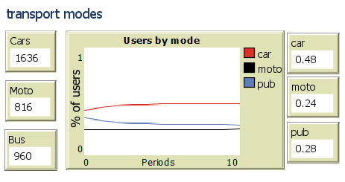
0.6 | 0.13
0.5 | 0.09
0.3 | 0.57

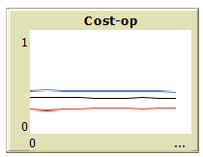
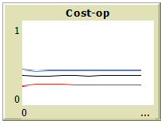
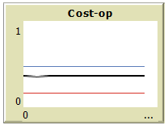

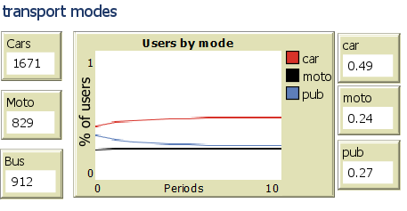

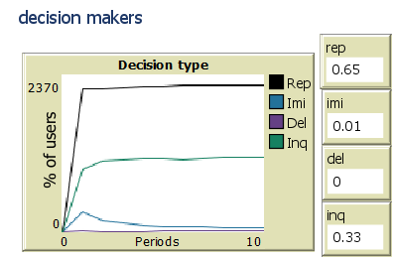

comfort
0.6 | 0.13
0.5 | 0.09
0.5 | 0.3

